Creating and testing the data v
Shark Attacks in Australia - Last 100 Years
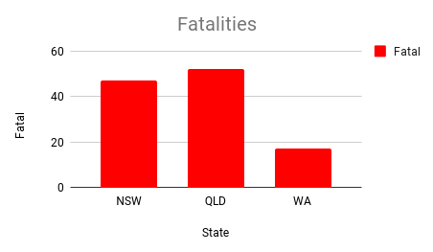

Date | Open | High | Low | Close
2017-06-02 | 0.093 | 0.093 | 0.092 | 0.092
2017-09-20 | 0.035 | 0.035 | 0.035 | 0.035
2017-09-25 | 0.037 | 0.037 | 0.036 | 0.036
2017-09-27 | 0.036 | 0.036 | 0.036 | 0.036
2017-09-29 | 0.037 | 0.038 | 0.036 | 0.036
2017-10-04 | 0.045 | 0.050 | 0.045 | 0.050
2017-10-05 | 0.051 | 0.051 | 0.051 | 0.051
2017-10-06 | 0.052 | 0.052 | 0.052 | 0.052
2017-10-09 | 0.055 | 0.060 | 0.055 | 0.060
2017-10-10 | 0.061 | 0.079 | 0.061 | 0.079

Create Line plot
Shark Attacks in Australia - Last 100 Years
Open dan Close

Date | Open | High | Low | Close
2017-09-05 | 0.043 | 0.043 | 0.043 | 0.043
2017-09-20 | 0.035 | 0.035 | 0.035 | 0.035
2017-09-25 | 0.037 | 0.037 | 0.036 | 0.036
2017-09-27 | 0.036 | 0.036 | 0.036 | 0.036
2017-09-29 | 0.037 | 0.038 | 0.036 | 0.036
2017-10-04 | 0.045 | 0.050 | 0.045 | 0.050
2017-10-05 | 0.051 | 0.051 | 0.051 | 0.051
2017-10-06 | 0.052 | 0.052 | 0.052 | 0.052
2017-10-09 | 0.055 | 0.060 | 0.055 | 0.060
2017-10-10 | 0.061 | 0.079 | 0.061 | 0.079

Copy of Create Line plot
Shark Attacks in Australia - Last 100 Years
Open dan Close

Date | Open | High | Low | Close
2017-09-05 | 0.043 | 0.043 | 0.043 | 0.043
2017-09-20 | 0.035 | 0.035 | 0.035 | 0.035
2017-09-25 | 0.037 | 0.037 | 0.036 | 0.036
2017-09-27 | 0.036 | 0.036 | 0.036 | 0.036
2017-09-29 | 0.037 | 0.038 | 0.036 | 0.036
2017-10-04 | 0.045 | 0.050 | 0.045 | 0.050
2017-10-05 | 0.051 | 0.051 | 0.051 | 0.051
2017-10-06 | 0.052 | 0.052 | 0.052 | 0.052
2017-10-09 | 0.055 | 0.060 | 0.055 | 0.060
2017-10-10 | 0.061 | 0.079 | 0.061 | 0.079

Other formatting options
Shark Attacks in Australia - Last 100 Years
Open dan Close

Date | Open | High | Low | Close
2017-09-05 | 0.043 | 0.043 | 0.043 | 0.043
2017-09-20 | 0.035 | 0.035 | 0.035 | 0.035
2017-09-25 | 0.037 | 0.037 | 0.036 | 0.036
2017-09-27 | 0.036 | 0.036 | 0.036 | 0.036
2017-09-29 | 0.037 | 0.038 | 0.036 | 0.036
2017-10-04 | 0.045 | 0.050 | 0.045 | 0.050
2017-10-05 | 0.051 | 0.051 | 0.051 | 0.051
2017-10-06 | 0.052 | 0.052 | 0.052 | 0.052
2017-10-09 | 0.055 | 0.060 | 0.055 | 0.060
2017-10-10 | 0.061 | 0.079 | 0.061 | 0.079

